1. Title Page
Grocery Basket Analysis

Project Name: Instacart Grocery Basket Analysis
Date: October 24, 2021
Analyst Name: Errol Hinkamp

Contents:
Population Flow
Consistency checks
Wrangling steps
Column derivations
Visualizations
Recommendations

Data Citation:
“The Instacart Online Grocery Shopping Dataset 2017”, Accessed from https://www.instacart.com/datasets/grocery-shopping-2017 on 9/6/2021.
Please note: the "customer" dataset and the "prices" column of the "products" dataset are NOT true values and were fabricated for educational purposes

2. Population Flow
Title page

Population flow

Exclusion flag
Condition: max_order < 5
Obervations to be removed: 1440045
Final total count of order_products_all: 30959687

Orders_products_combined
Orders_products_merged
Orders_products_all

Total: 32434489
Total: 32399732
Total: 32399732

3. Consistency checks
 |  |  |  | Title page
Consistency checks

Dataset | Missing values | Missing values treatment | Duplicates
orders | days_since_prior_order: 206209 | No action--missing values are valid | None
products | product_name: 16, prices: 2 | Deleted rows | 5 rows removed
orders_products_prior | None | N/A | None
customers | None | N/A | None

4. Wrangling steps
 |  |  |  | Title page
Wrangling steps

orders
Columns dropped | Columns renamed | Columns' type changed | Comment/Reason
eval_set |  |  | Column provided no useful information
 | order_dow |  | Renamed to "orders_day_of_week" for clarity
 |  | order_id | Changed to string--had no numerical value
 |  | user_id | Changed to string--had no numerical value
 | days_since_prior_order |  | Renamed to "days since last order" for the sake of completing the assignment

customers
Columns dropped | Columns renamed | Columns' type changed | Comment/Reason
 | Surnam |  | Changed to "Last Name" for consistency and clarity
 |  | First Name | Was mixed data type; changed to string

orders_products_all
Columns dropped | Columns renamed | Columns' type changed | Comment/Reason
First Name |  |  | Removed as PII
Last Name |  |  | Removed as PII

5. Column derivations
 |  |  |  | Title page

Column derivations and aggregations

Dataset | New column | Column/s it was derived from | Conditions
orders_products_merged | price_range_loc | prices | If prices <= 5, "Low-range product"
 |  |  | If prices > 5 & <= 15, "Mid-range product"
 |  |  | If prices > 15, "High-range product"
orders_products_merged | busiest_days | orders_day_of_week | If orders_day_of_week = 0 or 1, "Busiest days"
 |  |  | If orders_day_of_week = 3 or 4, "Slowest days"
 |  |  | If orders_day_of_week = all others, "Regularly busy"
orders_products_merged | busiest_period_of_day | order_hour_of_day | If order_hour_of_day is in (10, 11 ,14, 15, 13, 12, 16, 9), "Most orders"
 |  |  | If order_hour_of_day is in (3, 4, 2, 5, 1, 0, 6, 23), "Fewest orders"
 |  |  | If order_hour_of_day = all others, "Average orders"
orders_products_merged | max_order | user_id, order_number | Max order_number grouped by user_id
orders_products_merged | loyalty_flag | max_order | If max_order > 40, "Loyal customer"
 |  |  | If max_order < 40 & > 10, "Regular customer"
 |  |  | If max_order <= 10, "New customer"
orders_products_merged | avg_spent | user_id, prices | Avg prices grouped by user_id
orders_products_merged | spending_flag | avg_spent | If avg_spent < 10, "Low spender"
 |  |  | If avg_spent >= 10, "High spender"
orders_products_merged | order_frequency | user_id, days_since_last_order | Median days_since_last_order grouped by user_id
orders_products_merged | frequency_flag | order_frequency | If order_frequency > 20, "Non-frequent customer"
 |  |  | If order_frequency <= 20 & > 10, "Regular customer"
 |  |  | If order_frequency <= 10, "Frequent customer"
orders_products_all | Region | STATE | If STATE is in (Maine, New Hampshire, Vermont , Massachusetts , Rhode Island, Connecticut, New York, Pennsylvania, New Jersey), "Northeast"
 |  |  | If STATE is in (Wisconsin, Michigan, Illinois, Indiana, Ohio, North Dakota, South Dakota, Nebraska, Kansas, Minnesota, Iowa, Missouri), "Midwest"
 |  |  | If STATE is in (Delaware, Maryland, District of Columbia, Virginia, West Virginia, North Carolina, South Carolina, Georgia, Florida, Kentucky, Tennessee, Mississippi, Alabama, Oklahoma, Texas, Arkansas, Louisiana), "South"
 |  |  | If STATE is in (Idaho, Montana, Wyoming, Nevada, Utah, Colorado, Arizona, New Mexico, Alaska, Washington, Oregon, California, Hawaii), "West"
orders_products_all | activity_flag | max_order | If max_order < 5, "Low activity"
 |  |  | If max_order >= 5, "Normal activity"
orders_products_all | age_category | Age | If Age >= 18 & < 23, "18-22"
 |  |  | If Age >= 23 & < 30, "23-29"
 |  |  | If Age >= 30 & < 40, "30-39"
 |  |  | If Age >= 40 & < 50, "40-49"
 |  |  | If Age >= 50 & < 60, "50-59"
 |  |  | If Age >= 60 & < 70, "60-69"
 |  |  | If Age >= 70 & < 80, "70-79"
 |  |  | If Age >= 80, "80+"
orders_products_all | income_category | income | If income < 30000, "<30k"
 |  |  | If income >= 30000 & < 60000, "30k-59k"
 |  |  | If income >= 60000 & < 90000, "60k-89k"
 |  |  | If income >= 90000 & < 120000, "90k-119k"
 |  |  | If income >= 120000 & < 150000, "120k-149k"
 |  |  | If income >= 150000, ">150k"
orders_products_all | alcohol_tag | department_id, user_id | If user_id has EVER had an accompanying department_id = 5, "Drinker"
 |  |  | If user_id has NEVER had an accompanying department_id = 5, "Non-drinker"
orders_products_all | pet_tag | department_id, user_id | If user_id has EVER had an accompanying department_id = 8, "Pet owner"
 |  |  | If user_id has NEVER had an accompanying department_id = 8, "No pets"
orders_products_all | parent_tag | n_dependents | If n_dependants <= 0, "No kids"
 |  |  | If n_dependants > 0, "Parent"
orders_products_all | total_spent_by_user | user_id, prices | Sum of prices grouped by user_id
orders_products_all | department_name | department_id | If department_id = 1, "frozen"
 |  |  | If department_id = 2, "other"
 |  |  | If department_id = 3, "bakery"
 |  |  | If department_id = 4, "produce"
 |  |  | If department_id = 5, "alcohol"
 |  |  | If department_id = 6, "international"
 |  |  | If department_id = 7, "beverages"
 |  |  | If department_id = 8, "pets"
 |  |  | If department_id = 9, "dry goods pasta"
 |  |  | If department_id = 10, "bulk"
 |  |  | If department_id = 11, "personal care"
 |  |  | If department_id = 12, "meat seafood"
 |  |  | If department_id = 13, "pantry"
 |  |  | If department_id = 14, "breakfast"
 |  |  | If department_id = 15, "canned goods"
 |  |  | If department_id = 16, "dairy eggs"
 |  |  | If department_id = 17, "household"
 |  |  | If department_id = 18, "babies"
 |  |  | If department_id = 19, "snacks"
 |  |  | If department_id = 20, "deli"
 |  |  | If department_id = 21, "missing"

6. Visualizations
 | Title page

Visualisations

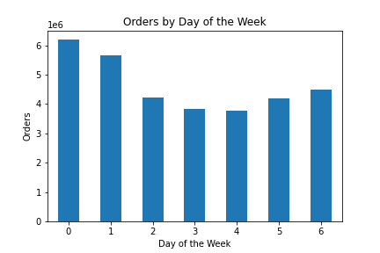

Each day of the week is represented by a number, where 0 = Saturday and 6 = Friday

Unsurprisingly, the weekend sees the highest volume of orders and the middle of the week sees the fewest

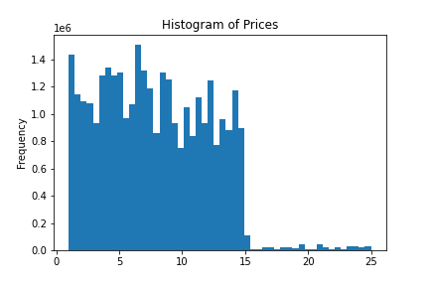

The vast, vast majority of items purchased are under $15.

Items in the $15-$25 range make up an almost negligible portion of total sales

Purchases do not gradually taper off as price increases; purchases vary somewhat in the $0-$15 range and then drop off precipitously afterwards

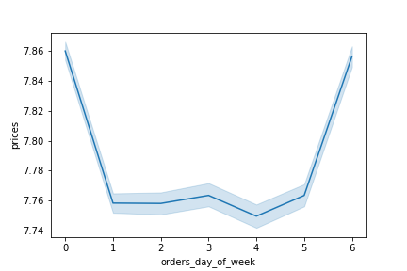

Each day of the week is represented by a number, where 0 = Saturday and 6 = Friday

Graph is based off of a random sampling of 30% of the available data

The average price of items purchased is highest on Saturday and Friday and mostly steady on all other days

It is important to keep in mind the scale of the graph; the difference between the highest and lowest point may look large, but is actually only about $0.11

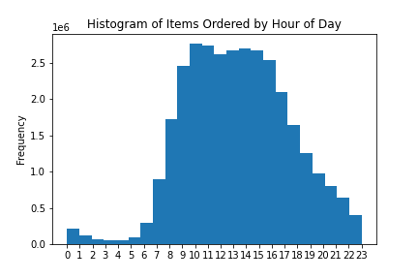

The vast majority of orders take place during normal working hours (approximately 9:00 AM - 5:00 PM)

Orders taper off after around 4:00 PM, falling until their absolute nadir at around 3:00 AM.

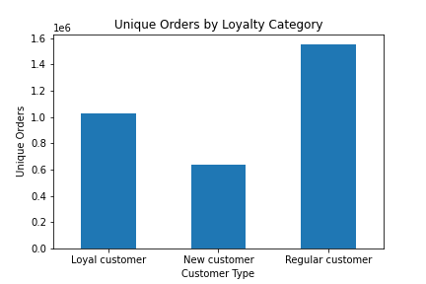

Loyalty categories are based upon the maximum number of orders that a user has made

While "loyal customers" (those with > 40 orders) make up a significant portion of all orders, the bulk of orders come from "regular customers" who make 10-40 orders each

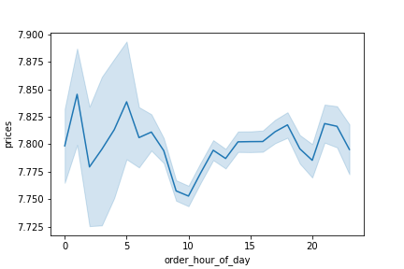

Graph is based off of a random sampling of 30% of the available data

Average prices are lowest around 10:00 and vary slightly throughout the course of the day

It is important to keep in mind the scale of the graph; the difference between the highest and lowest point is actually only about $0.08

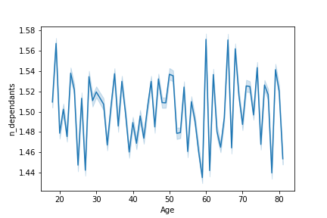

Graph is based off of a random sampling of 30% of the available data

There is no meaningful link between a customer's age and their number of dependents

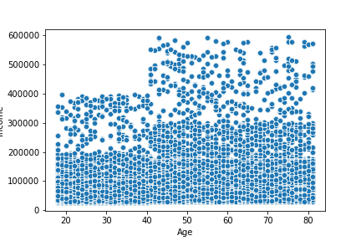

Scatterplot is extremely busy, but some useful information can still be gleaned

The overwhelming majority of users, regardless of age, make < $200,000

The data can be cleanly divided into two blocks: < 40 years old and > 40 years old

There are some users under the age of 40 who make > $200,000, but none make > $400,000

Of users over the age of 40, the vast majority make < $300,000 but there are some who make up to $600,000

The > 40 years old group tends to have wealthier users

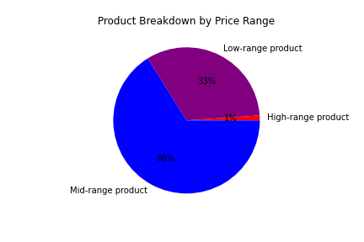

99% of all products carried are < $15

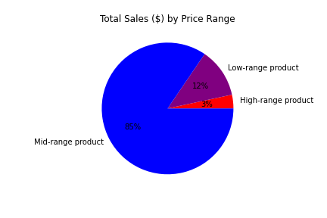

While mid-range products (defined as being $5-$15) account for 66% of items carried, they make up 85% of all sales

Low and high-range products are only a small portion of total revenue

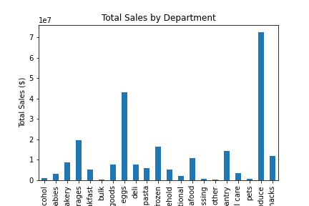

Produce is the single highest grossing department; the next highest department (dairy/eggs) has about half the sales and the third (beverages) has half of that

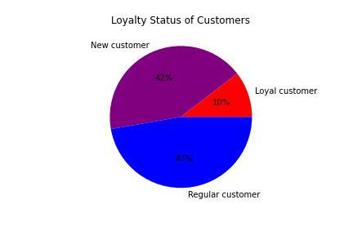

Graph is updated to exclude users with < 5 orders, but even so, new customers make up nearly half of all users

Loyal customers are only a small portion of total users

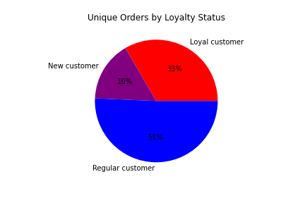

Graph is updated to exclude users with < 5 orders

Despite only making up 10% of total users, loyal customers account for 33% of all orders

New customers, by definition, only account for a small portion of total orders

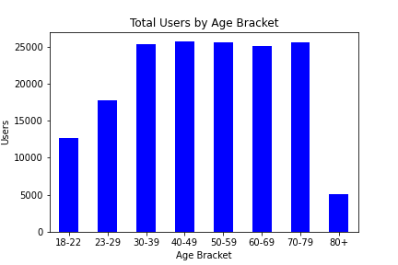

The minimum and maximum ages are 18 and 81

Users are mostly evenly distributed among age brackets

The 18-22 and 23-29 brackets are shorter than the others, but they also cover a narrower age range

The 80+ bracket is the shortest, but also has a very narrow range in practice (80-81)

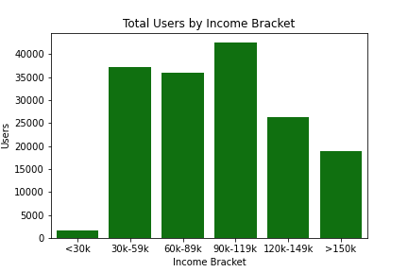

The minimum and maximum incomes are approximately $26,000 and $594,000

The median income is approximately $97,000

Unsurprisingly, the bracket containing the median income is the largest

The < 30k bracket is the shortest, but it is also the narrowest bracket as the minimum income was $26,000

The > 150k bracket is the widest, but the second shortest

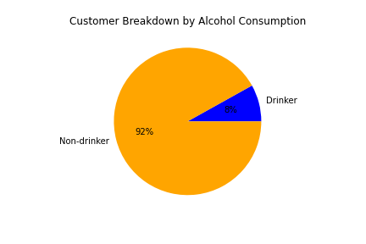

Only 8% of users have EVER made a purchase from the alcohol department

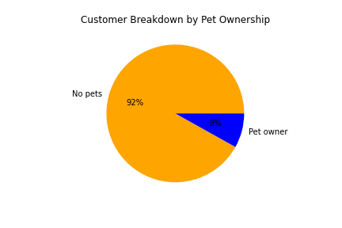

Only 8% of users have EVER made a purchase from the pet department

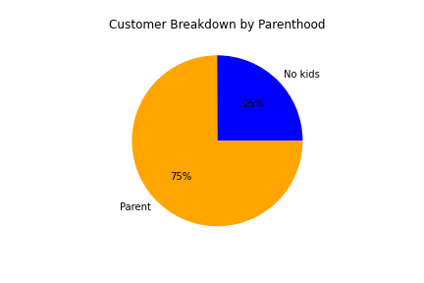

Number of dependents ranges from 0 to 3

75% of users have at least one child

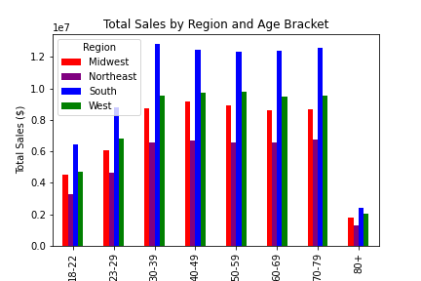

Total sales are mostly evenly distributed among age brackets, with narrower brackets being shorter (as expected)

Within age brackets, breakdowns by region are identical

The South has the most sales and the Northeast has the least, with West halfway between them and the Midwest slightly below that

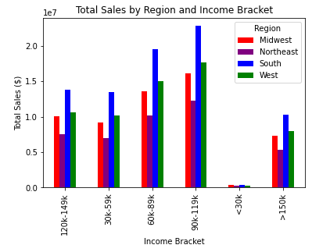

The narrowest bracket, < 30k, is the shortest while the widest bracket, > 150k, is the second shortest

The 90k-119k bracket, which contains the median income, is the tallest

Within income brackets, breakdowns by region are identical

The South has the most sales and the Northeast has the least, with West halfway between them and the Midwest slightly below that

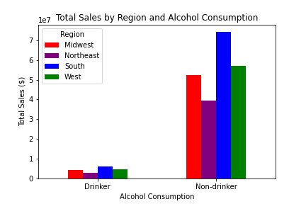

Drinkers, who only make up 8% of total customers, unsurprisingly account for a tiny portion of total sales

Regardless of alcohol consumption, breakdowns by region are identical

The South has the most sales and the Northeast has the least, with West halfway between them and the Midwest slightly below that

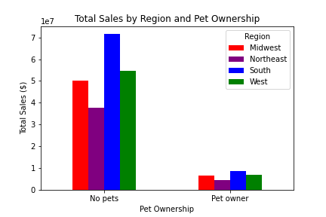

Pet owners, who only make up 8% of total customers, unsurprisingly account for a tiny portion of total sales

Regardless of pet ownership, breakdowns by region are identical

The South has the most sales and the Northeast has the least, with West halfway between them and the Midwest slightly below that

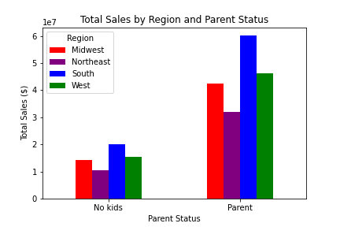

Parents account for 75% of total customers and also about 75% of total sales

Regardless of parent status, breakdowns by region are identical

The South has the most sales and the Northeast has the least, with West halfway between them and the Midwest slightly below that

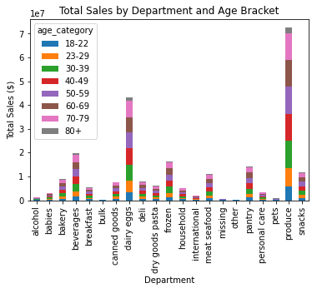

Regardless of department, breakdowns by age category are identical

All age brackets of identical size are equal; the three narrower brackets make up correspondingly smaller portions of the whole

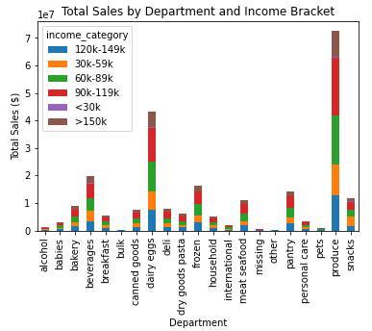

Regardless of department, breakdowns by income category are identical

The 90k-119k bracket (which contains the median income) is the largest

The < 30k bracket (which is the narrowest) isn't even visible on the graph

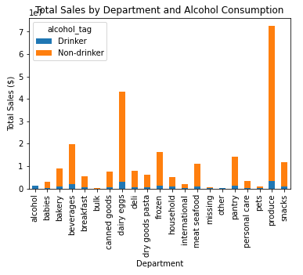

Drinkers, being only 8% of total users, account for only a small portion of the sales in each department (with the exception of the alcohol department, of course)

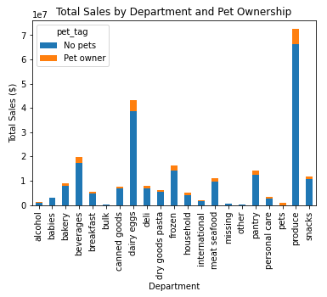

Pet owners, being only 8% of total users, account for only a small portion of the sales in each department (with the exception of the pet department, of course)

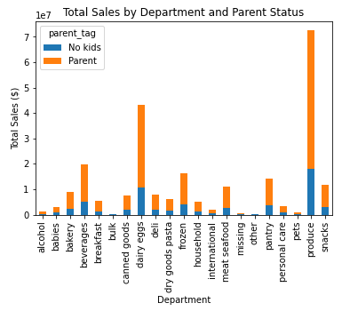

About 75% of all users are parents and about 75% of the total sales in each department are from parents

7. Recommendations
 |  |  |  | Title page

Recommendations

In this tab you should include any recommendations you would made to Instcart in terms of their marketing strategy based on the questions posed in the brief. Every key question has been covered in the Tasks of the Exercises - here you need to add an item - a visualisation or table/crosstable that is showing the answer in the data, acompanied by a comment from you. Please, list the questions below and add the answer underneath.

Question
What are the busiest days of the week and hours of the day?

Answer

 |  | The busiest days are Saturday and Sunday and the busiest hours are 9:00 AM to 5:00 PM.
 |  | Ads targeted during these periods will reach the largest audience.
 |  | These periods should receive the most attention in terms of resources, as this is when the system will be most strained.

Question
At what times of day is the most money spent?

Answer

 |  | The highest average price of items purchased is approximately $7.84 at 1:00 AM and 5:00 AM.
 |  | However, the lowest average price is approximately $7.75 at 10:00 AM.
 |  | The range in prices over the course of the day is insignificant and should not be a major focal point.

Question
How can price ranges be grouped for simplicity?

Answer

 |  | Items have been grouped into three price ranges as follows:
 |  | Low-range products: <= $5.00
 |  | Mid-range products: > $5.00 & <= $15.00
 |  | High-range products: > $15.00

 |  | While mid-range products account for 66% of all items carried, they represent 85% of revenue
 |  | This price range is the most crucial as it represents the overwhelming majority of sales

 |  | While high-range products are only 1% of all items carried, they account for 3% of revenue
 |  | Consider pushing more high-range products, as they "punch above their weight"

 |  | Low-range products account for a third of inventory, but only 12% of revenue
 |  | Consider phasing some of these out to make room for more mid or high-range products

Question
Which departments receive the most orders?

Answer

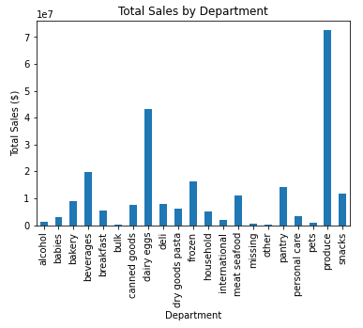

 |  | Produce is overwhelmingly the most popular department, with the next most popular, dairy/egg, only making about two-thirds as much revenue
 |  | Ensure that these departments are always well-stocked
 |  | Some departments (such as bulk and other) generate very little revenue. Consider replacing these items with better-selling ones.

Question
How do different types of customers behave?

Answer

 | Loyal customers (defined as those with > 40 orders) make up only 10% of total customers but account for one-third of all orders
 | While a significant percentage of users are considered "new," by definition they contribute only a small amount to the total number of orders
 | Regular customers make up nearly half of both total users and total orders
 | Consider a rewards program or some other method of encouraging repeat orders to drive more customers into a higher tier

 |  |  | Across all age brackets, income brackets, and other profiling tags, the distribution of sales between regions remained identical
 |  |  | Location seemingly plays no role in customer spending habits

 |  |  | Regardless of which criteria are being examined, breakdowns within each department are identical
 |  |  | None of these criteria seemingly play any role in customer spending habits
 |  |  | This is likely because the "customer" dataset has been fabricated and spread TOO evenly in all categories

